Sheet1
ID | Title | Image | Price B2B
1 | Mizuno Morelia Sala Classic TF football boots | 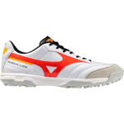 1 | 549.35
1 | Mizuno Morelia Sala Classic TF football boots | 1 | 549.35
1 | Mizuno Morelia Sala Classic TF football boots | 1 | 549.35
2 | Mizuno Morelia Sala Club TF football boots | 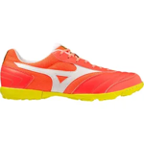 1 | 422.99
2 | Mizuno Morelia Sala Club TF football boots | 1 | 422.99
2 | Mizuno Morelia Sala Club TF football boots | 1 | 422.99
2 | Mizuno Morelia Sala Club TF football boots | 1 | 422.99
2 | Mizuno Morelia Sala Club TF football boots | 1 | 422.99
2 | Mizuno Morelia Sala Club TF football boots | 1 | 422.99
2 | Mizuno Morelia Sala Club TF football boots | 1 | 422.99
2 | Mizuno Morelia Sala Club TF football boots | 1 | 422.99
2 | Mizuno Morelia Sala Club TF football boots | 1 | 422.99
3 | Mizuno Morelia Sala Classic TF football boots | 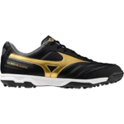 1 | 437.68
3 | Mizuno Morelia Sala Classic TF football boots | 1 | 406.22
3 | Mizuno Morelia Sala Classic TF football boots | 1 | 431.76
3 | Mizuno Morelia Sala Classic TF football boots | 1 | 401.07
3 | Mizuno Morelia Sala Classic TF football boots | 1 | 431.76
3 | Mizuno Morelia Sala Classic TF football boots | 1 | 412.53
4 | Mizuno Morelia Sala Pro TF football boots | 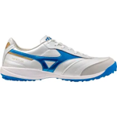 1 | 540.04
4 | Mizuno Morelia Sala Pro TF football boots | 1 | 540.04
4 | Mizuno Morelia Sala Pro TF football boots | 1 | 540.04
4 | Mizuno Morelia Sala Pro TF football boots | 1 | 540.04
4 | Mizuno Morelia Sala Pro TF football boots | 1 | 540.04
4 | Mizuno Morelia Sala Pro TF football boots | 1 | 540.04
4 | Mizuno Morelia Sala Pro TF football boots | 1 | 540.04
4 | Mizuno Morelia Sala Pro TF football boots | 1 | 540.04
4 | Mizuno Morelia Sala Pro TF football boots | 1 | 540.04
4 | Mizuno Morelia Sala Pro TF football boots | 1 | 540.04
4 | Mizuno Morelia Sala Pro TF football boots | 1 | 540.04
5 | Mizuno Morelia Sala Pro TF football boots | 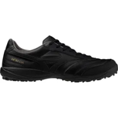 1 | 540.04
5 | Mizuno Morelia Sala Pro TF football boots | 1 | 540.04
5 | Mizuno Morelia Sala Pro TF football boots | 1 | 540.04
5 | Mizuno Morelia Sala Pro TF football boots | 1 | 540.04
5 | Mizuno Morelia Sala Pro TF football boots | 1 | 540.04
5 | Mizuno Morelia Sala Pro TF football boots | 1 | 540.04
5 | Mizuno Morelia Sala Pro TF football boots | 1 | 540.04
5 | Mizuno Morelia Sala Pro TF football boots | 1 | 540.04
5 | Mizuno Morelia Sala Pro TF football boots | 1 | 540.04
5 | Mizuno Morelia Sala Pro TF football boots | 1 | 540.04
5 | Mizuno Morelia Sala Pro TF football boots | 1 | 540.04
6 | Mizuno MRL Sala Club TF football boots | 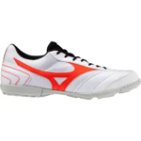 1 | 361.46
6 | Mizuno MRL Sala Club TF football boots | 1 | 361.46
6 | Mizuno MRL Sala Club TF football boots | 1 | 361.46
6 | Mizuno MRL Sala Club TF football boots | 1 | 361.46
6 | Mizuno MRL Sala Club TF football boots | 1 | 361.46
7 | Mizuno MRL Sala Club TF football boots | 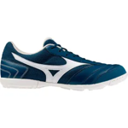 1 | 361.46
7 | Mizuno MRL Sala Club TF football boots | 1 | 361.46
7 | Mizuno MRL Sala Club TF football boots | 1 | 361.46
7 | Mizuno MRL Sala Club TF football boots | 1 | 361.46
7 | Mizuno MRL Sala Club TF football boots | 1 | 361.46
7 | Mizuno MRL Sala Club TF football boots | 1 | 361.46
7 | Mizuno MRL Sala Club TF football boots | 1 | 361.46
7 | Mizuno MRL Sala Club TF football boots | 1 | 361.46
7 | Mizuno MRL Sala Club TF football boots | 1 | 361.46
7 | Mizuno MRL Sala Club TF football boots | 1 | 350.62
7 | Mizuno MRL Sala Club TF football boots | 1 | 361.46
7 | Mizuno MRL Sala Club TF football boots | 1 | 361.46
8 | Mizuno Morelia Sala Club TF football boots | 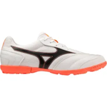 1 | 422.99
8 | Mizuno Morelia Sala Club TF football boots | 1 | 422.99
8 | Mizuno Morelia Sala Club TF football boots | 1 | 422.99
9 | Mizuno MRL Sala Club TF football boots | 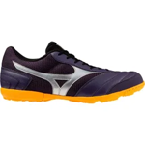 1 | 361.46
9 | Mizuno MRL Sala Club TF football boots | 1 | 361.46
9 | Mizuno MRL Sala Club TF football boots | 1 | 361.46
9 | Mizuno MRL Sala Club TF football boots | 1 | 361.46
9 | Mizuno MRL Sala Club TF football boots | 1 | 361.46
9 | Mizuno MRL Sala Club TF football boots | 1 | 361.46
9 | Mizuno MRL Sala Club TF football boots | 1 | 361.46
9 | Mizuno MRL Sala Club TF football boots | 1 | 361.46
9 | Mizuno MRL Sala Club TF football boots | 1 | 361.46
9 | Mizuno MRL Sala Club TF football boots | 1 | 361.46
9 | Mizuno MRL Sala Club TF football boots | 1 | 361.46
9 | Mizuno MRL Sala Club TF football boots | 1 | 361.46
10 | Mizuno Morelia Sala Club TF football boots | 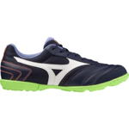 1 | 422.99
10 | Mizuno Morelia Sala Club TF football boots | 1 | 422.99
10 | Mizuno Morelia Sala Club TF football boots | 1 | 422.99
10 | Mizuno Morelia Sala Club TF football boots | 1 | 422.99
10 | Mizuno Morelia Sala Club TF football boots | 1 | 422.99

